Indices

 | Iraq Stock Exchange
 | Bulletin No (40)
 | ISX Trading Indices of Monday 2/3/2026

 | Traded Volume and OTC |  | 246,633,208 |  | Traded Value and OTC |  | 498,918,554 |  | Traders | 886

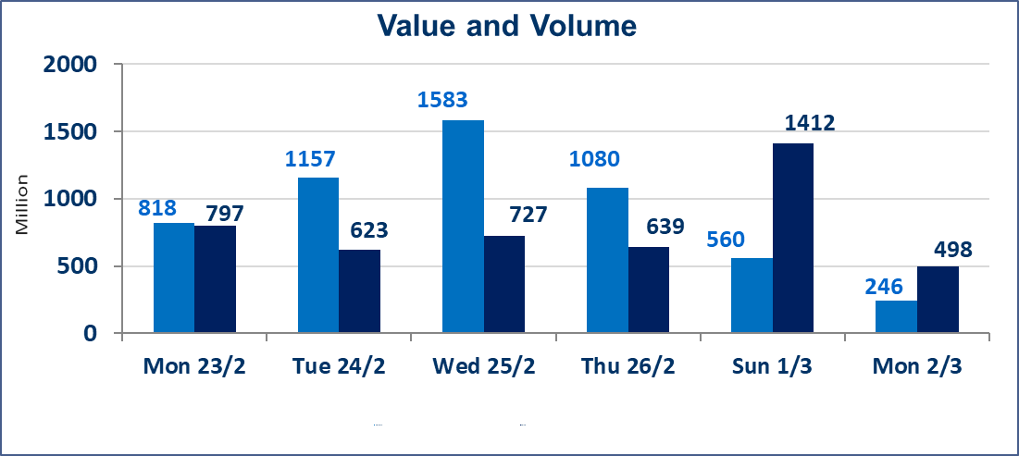
 | ISX Index 60 |  |  | 945.52 | ISX Index 15 |  |  | 1199.79
 | Previous ISX Index60 |  |  | 950.25 | Previous ISX Index15 |  |  | 1209.80
 | Change % |  |  | -0.50 | Change % |  |  | -0.83
 | Change |  |  | -4.73 | Change |  |  | -10.01

 | Listed Companies | 104 | OTC | 14 | Non Traded listed | 48 | OTC | 13
 | Traded Listed Companies | 46 | OTC | 1 | Higher Companies |  |  | 8
 | GAM Companies |  |  | 0 | Lower Companies |  |  | 17
 | Suspended Companies |  |  | 10
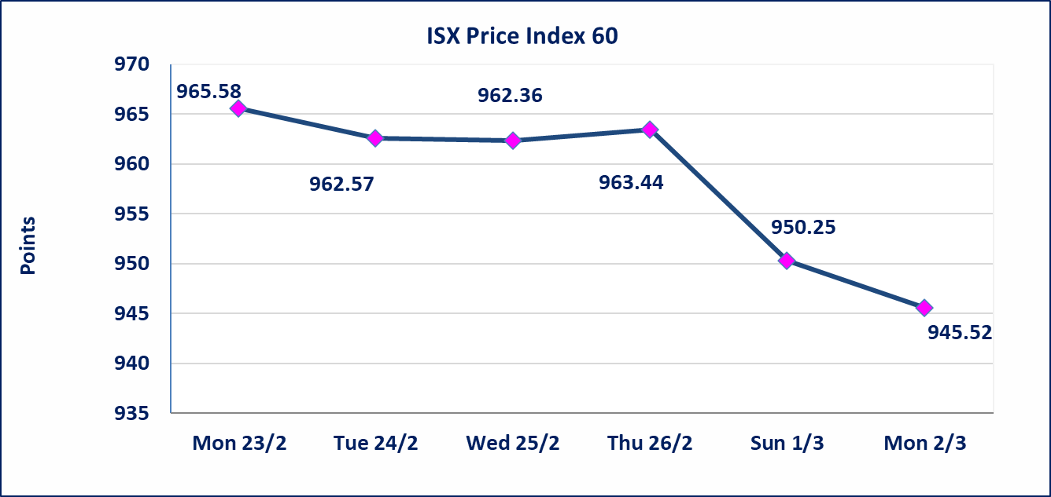
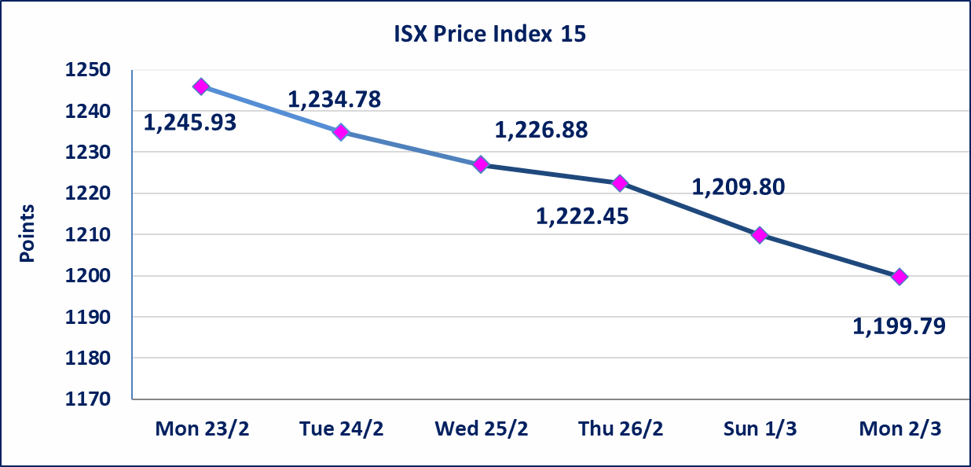

Al-Alwiya P.O . 3607 Mobile: 07711211522 - 07270094594 - 07834000034 E-mail: info-isx@isx-iq.net Web site:www.isx-iq.net

Top 5
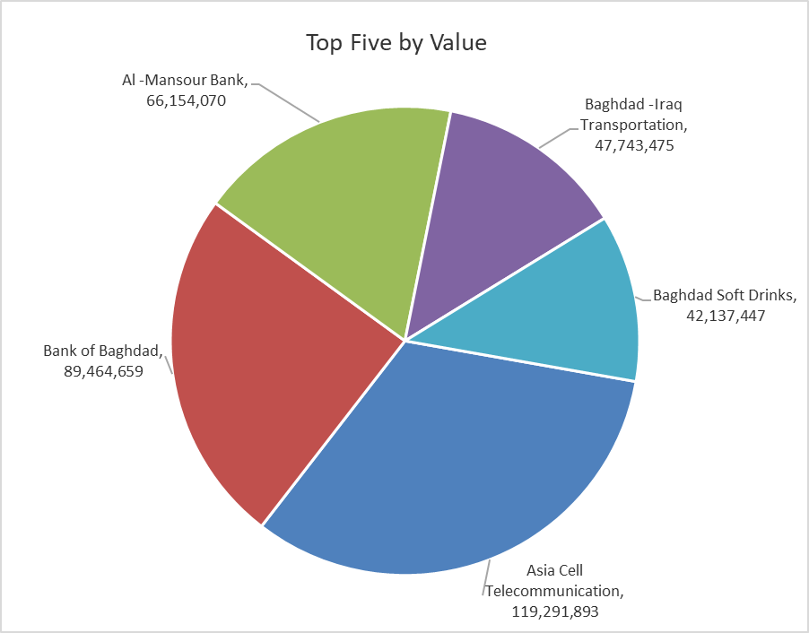
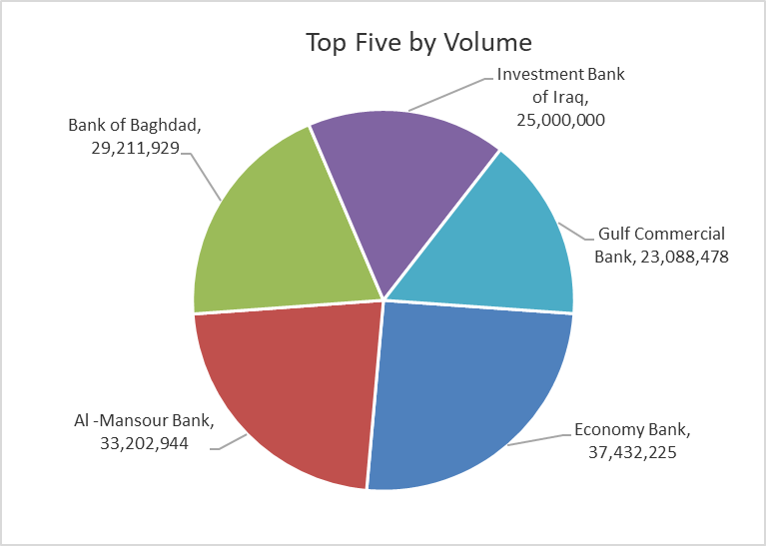

ISX top ganing and losing companies
Monday 2/3/2026
 | Gainers |  |  |  | Losers
 | Company Name | Closing Price | Change (%) | Traded Volume | Company Name | Closing Price | Change (%) | Traded Volume
 | International Development Bank | 1.050 | 5.00 | 10,000 | Baghdad -Iraq Transportation | 21.210 | -4.93 | 2,231,210
 | Iraqi Carton Manufactories | 2.370 | 4.87 | 2,025,375 | Al-Hilal Industries | 1.450 | -4.61 | 486,000
 | Economy Bank | 0.220 | 4.76 | 37,432,225 | Modern Construction Materials | 1.140 | -4.20 | 57,517
 | Investment Bank of Iraq | 0.220 | 4.76 | 25,000,000 | Kurdistan International Bank | 1.150 | -4.17 | 30,000
 | General Transportation | 1.750 | 2.94 | 221,996 | Elaf Islamic Bank | 0.260 | -3.70 | 1,892
 | The most active companies in term of traded volume and value

 | Traded Volume |  |  |  | Traded Value
 | Company Name | Closing Price | Change (%) | Traded Volume | Company Name | Closing Price | Change (%) | Traded Value
 | Economy Bank | 0.220 | 4.76 | 37,432,225 | Asia Cell Telecommunication | 14.430 | -1.77 | 119,291,893
 | Al -Mansour Bank | 2.000 | 0.00 | 33,202,944 | Bank of Baghdad | 3.030 | -1.30 | 89,464,659
 | Bank of Baghdad | 3.030 | -1.30 | 29,211,929 | Al -Mansour Bank | 2.000 | 0.00 | 66,154,070
 | Investment Bank of Iraq | 0.220 | 4.76 | 25,000,000 | Baghdad -Iraq Transportation | 21.210 | -4.93 | 47,743,475
 | Gulf Commercial Bank | 0.310 | -3.12 | 23,088,478 | Baghdad Soft Drinks | 5.700 | 0.00 | 42,137,447

Non Iraqi

Iraq Stock Exchange
Non Iraqis' Bulletin Monday March 2 2026
Regular Market

Non Iraqi Trading of Regular Market (Sell)
Company Names | Code | No.of trades | Traded Shares | Trading Volume
Telecommunication Sector
Asia cell | TASC | 52 | 3,500,000 | 50,838,630
Total Telecommunication sector |  | 52 | 3,500,000 | 50,838,630
Grand Total |  | 52 | 3,500,000 | 50,838,630

Non Iraqi Trading of Second Market (BUY)
Company Names | Code | No. of trades | Traded Volume | Traded Value
Banks Sector
International Development Bank | BIDB | 2 | 4,000 | 4,200
Total Bank sector |  | 2 | 4,000 | 4,200
Grand Total |  | 2 | 4,000 | 4,200

Non Iraqi Trading of Second Market (Sell)
Company Names | Code | No.of trades | Traded Shares | Trading Volume
Insurance Sector
Al-Hamraa for Insurance | NHAM | 1 | 991 | 3,270
Total Insurance sector |  | 1 | 991 | 3,270
Grand Total |  | 1 | 991 | 3,270

Not Trading Bonds

Iraq Stock Exchange
Monday 2/3/2026
Not Trading Bonds Bulletin
Bond type | Publish type | Code | last trading price | immortilize date
Banaa Bonds /Million ID | Second | CB20 | 964,981 | 19/12/2025
Eamar Bonds /Million ID | First | CB30 | 1,001,095 | ــــــــــــــــ
Eamar Bonds /Million ID | Second | CB40 | ــــــــــــــــ | ــــــــــــــــ
Eamar Bonds /500 Thousand ID | Third | CB45 | ــــــــــــــــ | ــــــــــــــــ
Eamar Bonds /Million ID | Third | CB50 | ــــــــــــــــ | ــــــــــــــــ
Injaz Bonds /500 Thousand ID | First | CB55 | ــــــــــــــــ | ــــــــــــــــ
Injaz Bonds /Million ID | First | CB60 | ــــــــــــــــ | ــــــــــــــــ
Injaz Bonds /500 Thousand ID | Second | CB65 | 502,671 | ــــــــــــــــ
Injaz Bonds /Million ID | Second | CB70 | 1,026,082 | ــــــــــــــــ
Injaz Bonds /500 Thousand ID | Third | CB75 | ــــــــــــــــ | ــــــــــــــــ
Injaz Bonds /Million ID | Third | CB80 | 978,182 | ــــــــــــــــ
National Bonds/Million ID | First | CB90 | ــــــــــــــــ | ــــــــــــــــ
National Bonds/500 Thousand ID | Second | CB95 | ــــــــــــــــ | ــــــــــــــــ
National Bonds/Million ID | Second | CB100 | ــــــــــــــــ | ــــــــــــــــ

